Sheet1
Area | 4th-Region | Shop Name | RSC Contact Number | Rsc Name | Rsc ID | RSC NID/Birth Certificate Number | Vaccine Report (YES/NO) | Vaccine Documents Picture
Rajshahi | Natore | RE Desh telecom | 1735959436 | Omar Faruk | RM0522 | 3305225900 | YES
Rajshahi | Natore | RE Zilani Exclusive | 1917426342 | Md.Manzur Hossain | RM0524 | 19846926304397097 | YES | 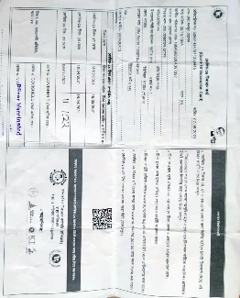
Rajshahi | Natore | RE Tuhin Mobile | 1788128128 | Md.Shariar Hossain | RM0523 | 5551730384 | YES | 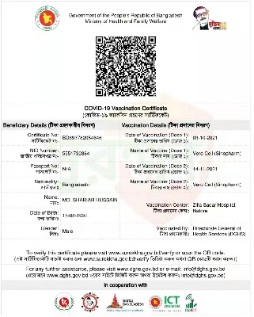
Rajshahi | Natore | SH Mobile Center Showroom | 1724950996 | Abdulla Al Galib | RM1193 | 7807730663 | YES
Rajshahi | Natore | RE Friends Mobile Collection | 1788914019 | Naeem Ali | RM1841 | 9580032259 | YES
Rajshahi | Natore | RE Biswass Mobile | 1737495544 | Sree Sondip kumar | RM1843 | 19926924105000025 | YES
Rajshahi | Natore | RE Dighe Telecom | 1858889777 | Md sobuz hosen | RM1195 | 4209295643 | YES | 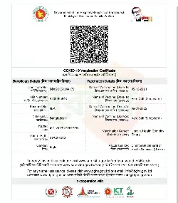
Rajshahi | Natore | RE Rasel Telecom | 1711427916 | Md.Ariful islam | RM1196 | 19926914485000091 | YES
Rajshahi | Natore | RE Shaha Enterprise Showroom | 1747566379 | Anik Kumar Kundu | RM2154 | 4655018275 | YES | 